Sheet1
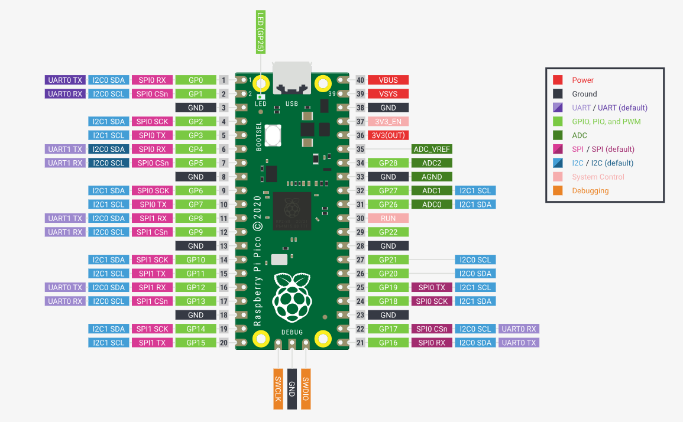
SCL | 1 | out
SDA | 0 | inout
VS | 26 | in
HS | 7 | in
PLK | 22 | in
XLK | 9 | out
D0 | 13 | in
D1 | 18 | in
D2 | 12 | in
D3 | 19 | in
D4 | 11 | in
D5 | 20 | in
D6 | 10 | in
D7 | 21 | in

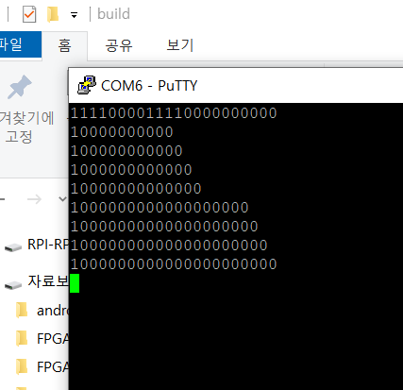

 | 1000,0000,0000,0000,0000,00

